Script
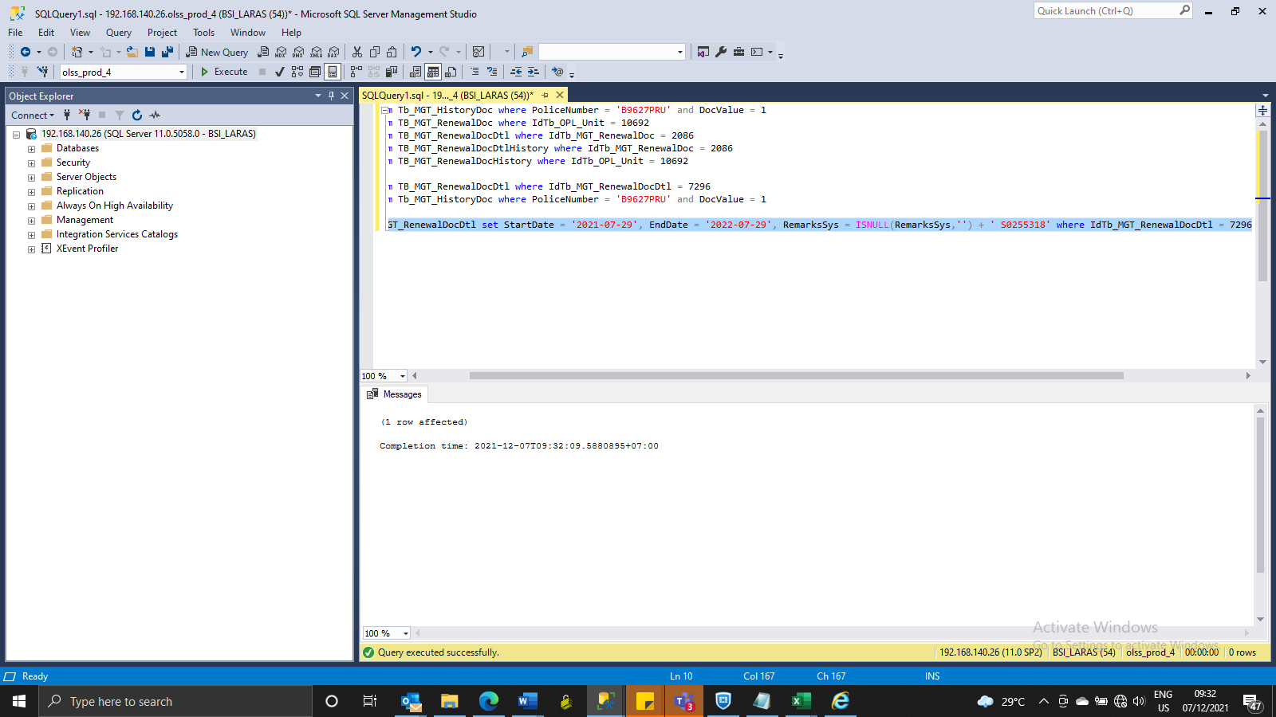
update TB_MGT_RenewalDocDtl set StartDate = '2021-07-29', EndDate = '2022-07-29', RemarksSys = ISNULL(RemarksSys,'') + ' S0255318' where IdTb_MGT_RenewalDocDtl = 7296

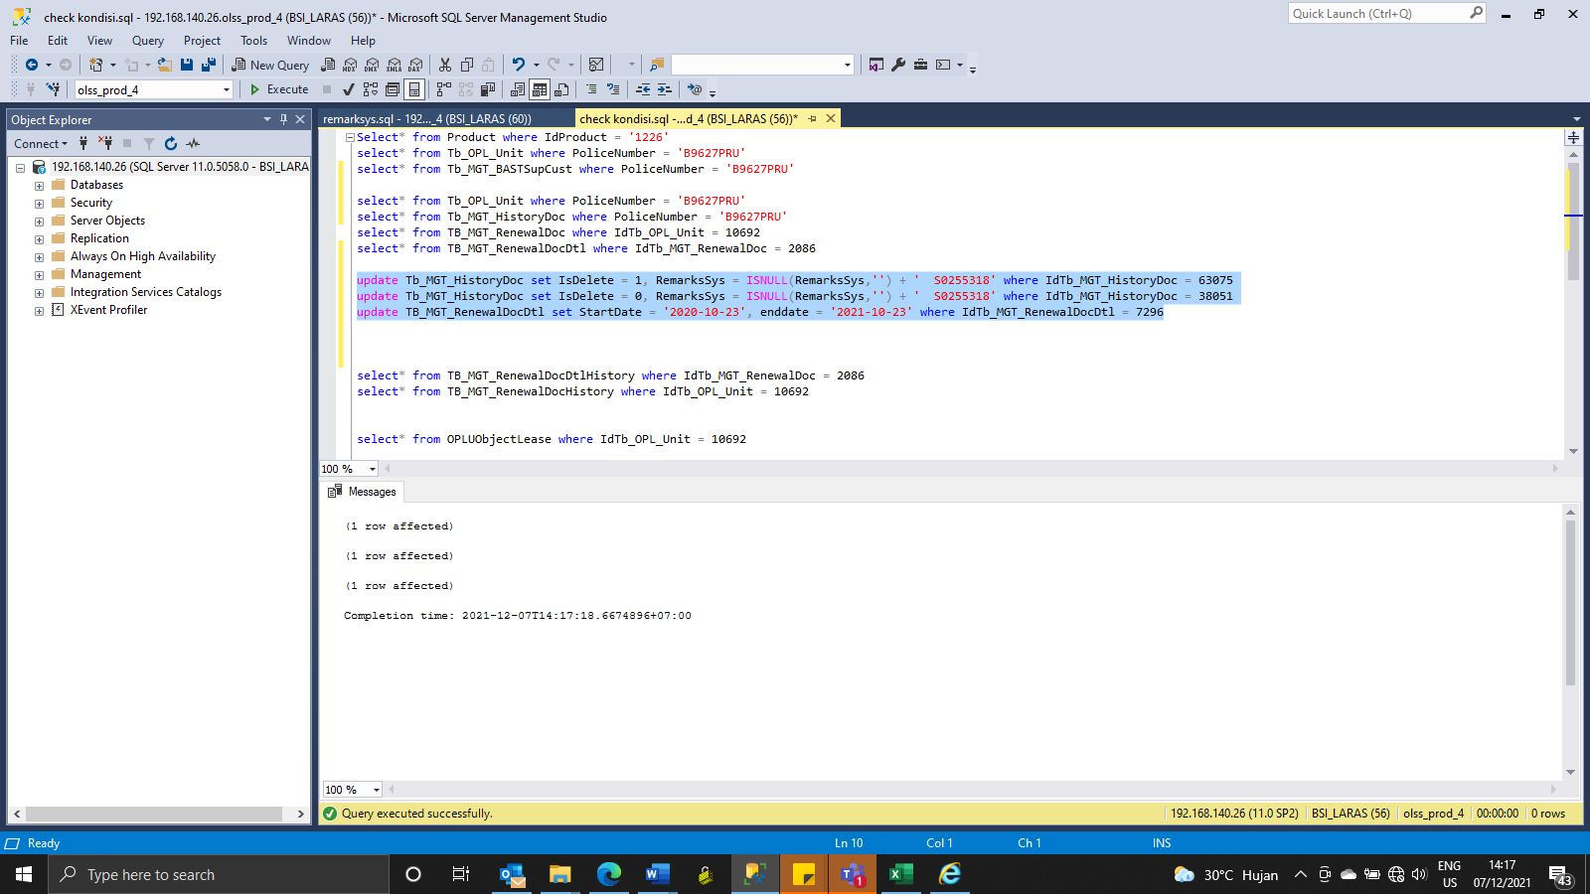

update Tb_MGT_HistoryDoc set IsDelete = 1, RemarksSys = ISNULL(RemarksSys,'') + ' S0255318' where IdTb_MGT_HistoryDoc = 63075
update Tb_MGT_HistoryDoc set IsDelete = 0, RemarksSys = ISNULL(RemarksSys,'') + ' S0255318' where IdTb_MGT_HistoryDoc = 38051
update TB_MGT_RenewalDocDtl set StartDate = '2020-10-23', enddate = '2021-10-23' where IdTb_MGT_RenewalDocDtl = 7296

Screeshoot
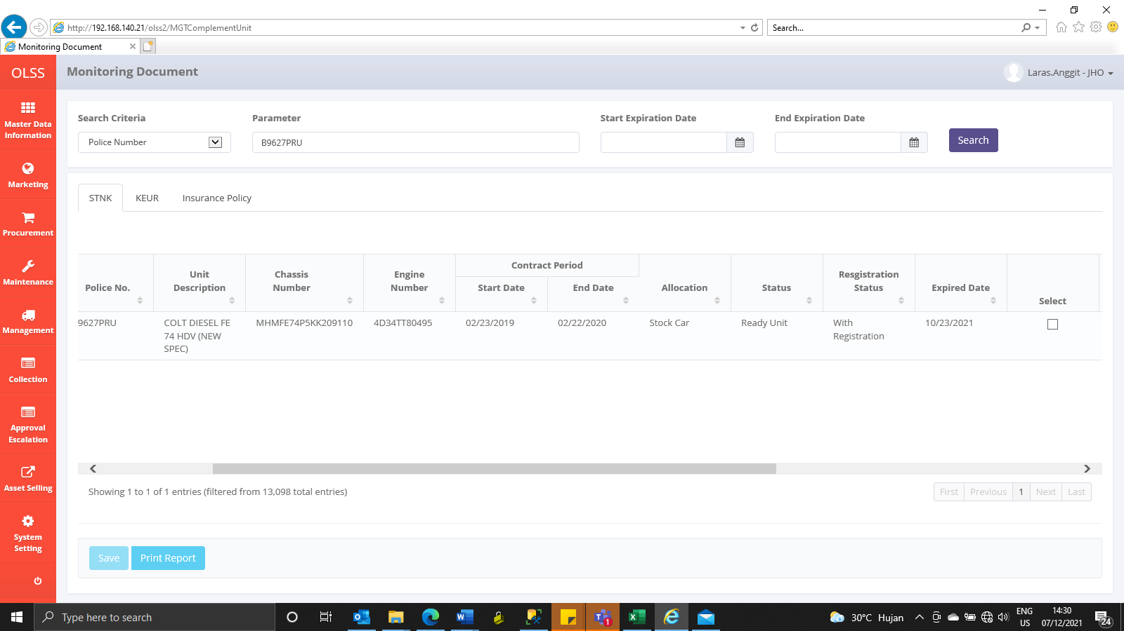
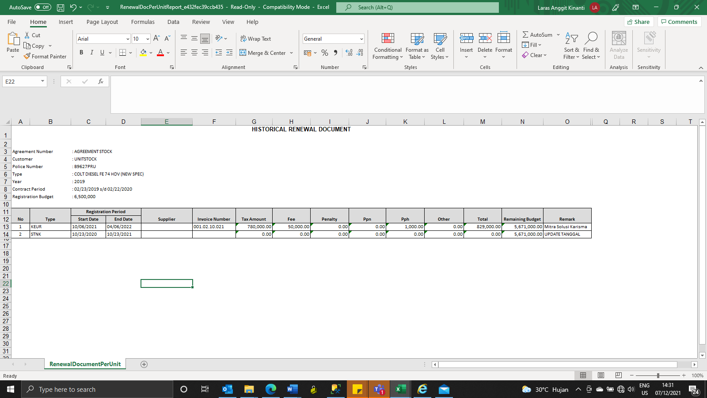
BEFORE
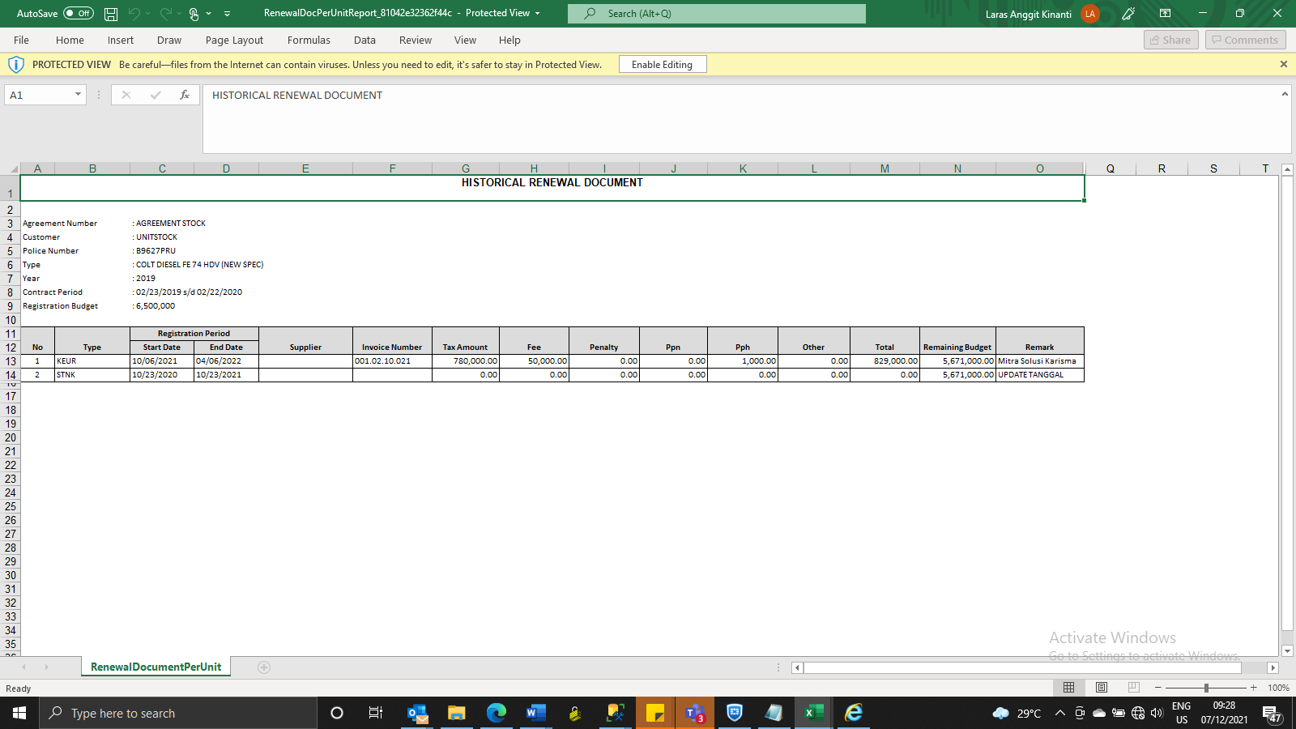

AFTER
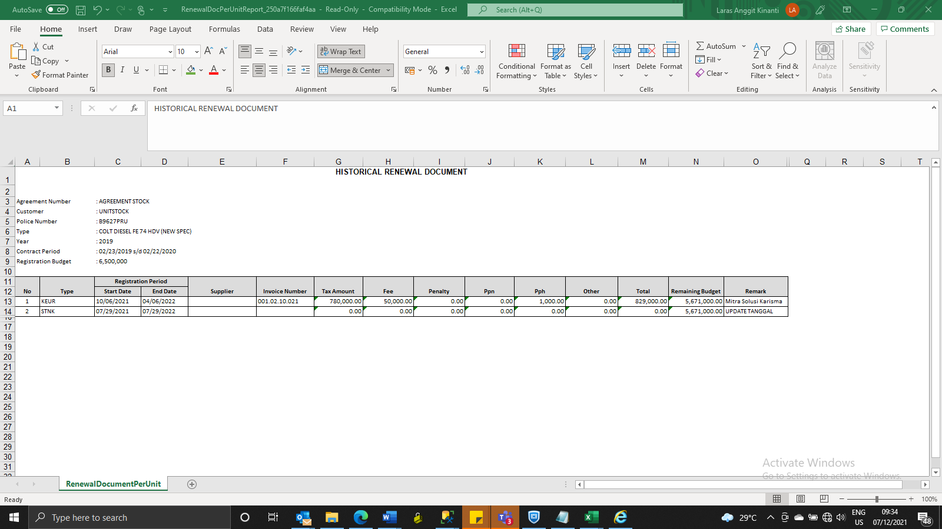

REVISI KEDUA
BEFORE
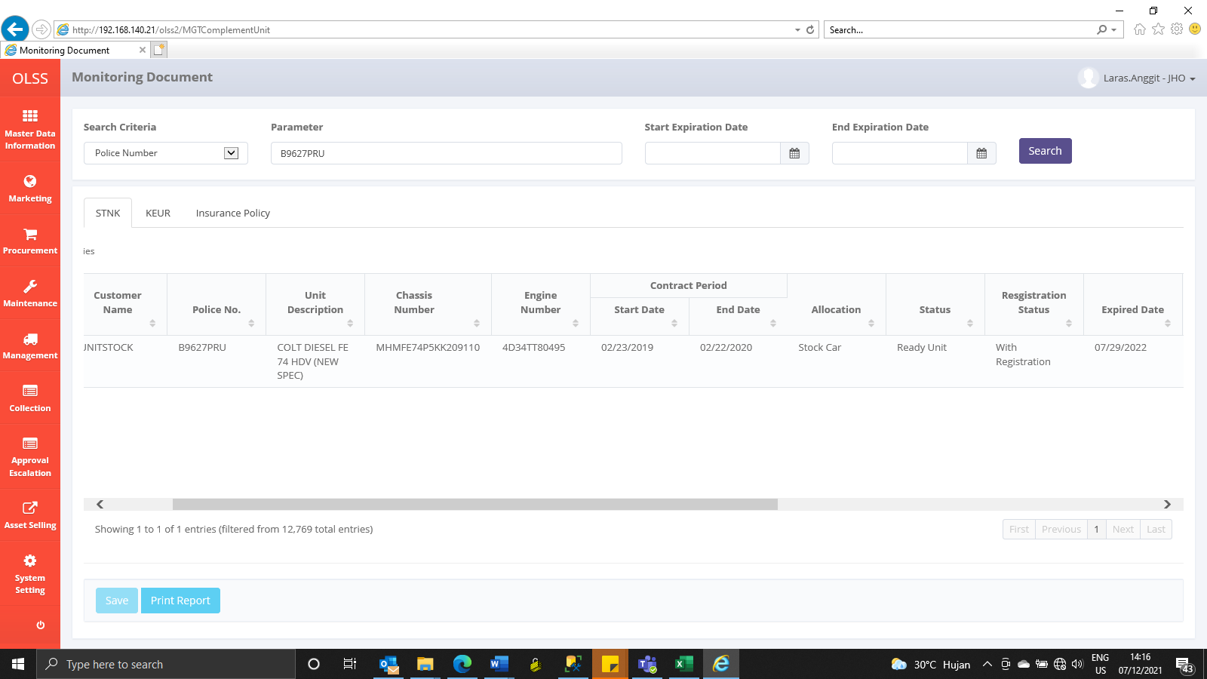

AFTER

